11. Sitemap
← Back to Checklist | What Is It? Why Is It Important? General Recommendation
Priorities & Status
Sitemaps | URLs Example | Instructions | Screenshots (If Applicable)
 |  |  | 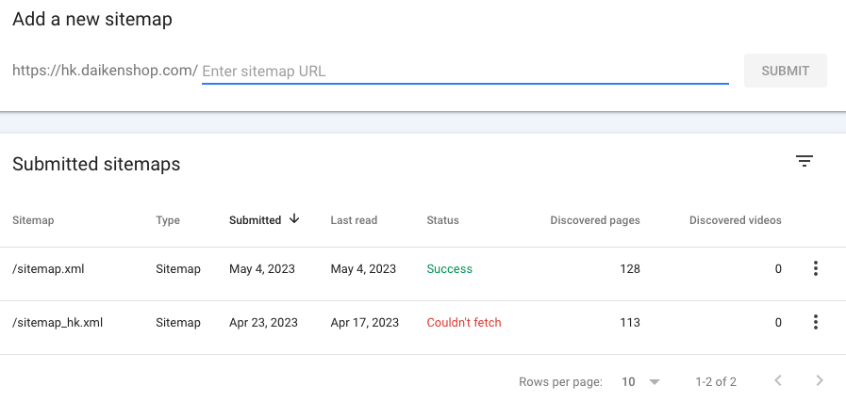

39. Content Optimisation for GE
← Back to Checklist | What Is It? Why Is It Important? General Recommendation
Priorities & Status
Address | Instructions | Screenshots (If Have)
Blog Pages | New blog content for GEO should contain Table of Content and TL;DR section for AI search engine to extract the quick answers. | 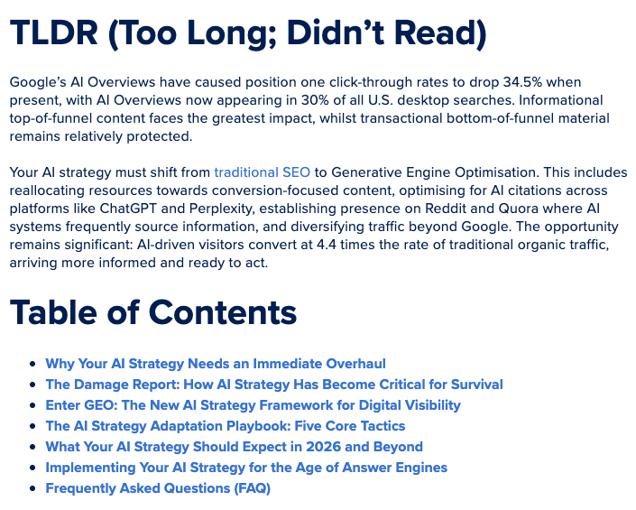 Example from First Page HK articles : https://www.firstpage.hk/resources/content/ai-strategy-guide-from-seo-to-geo-when-ai-overviews-steal-34-of-your-clicks/
Blog Pages | FAQ sections should be added in blogs to answer the quick questions to increase opportunity to be cited in AI overview. FAQ schema is required for each questions in the blog. | 